Sheet1
psa upcharge - https://www.psacard.com/services/tradingcardgrading
https://onlygreats.com/2024/05/17/psa-upcharges/
https://www.pokebeach.com/2025/01/prismatic-evolutions-pull-rates-revealed-special-illustration-rares-twice-as-easy-to-pull
https://www.tcgplayer.com/content/article/Pok%C3%A9mon-TCG-Prismatic-Evolutions-Pull-Rates/d94889ea-f76a-4a13-b74d-5b0b071220a7/
https://www.pricecharting.com/console/pokemon-prismatic-evolutions?sort=popularity&model-number=&model-number=&exclude-hardware=false&exclude-variants=false&show-images=true&in-collection=
https://www.psacard.com/services/tradingcardgrading
https://www.pokebeach.com/2025/01/prismatic-evolutions-set-guide-full-card-list-secret-rares-cut-cards-products-and-more
Special_Illustration_Rare

Rare
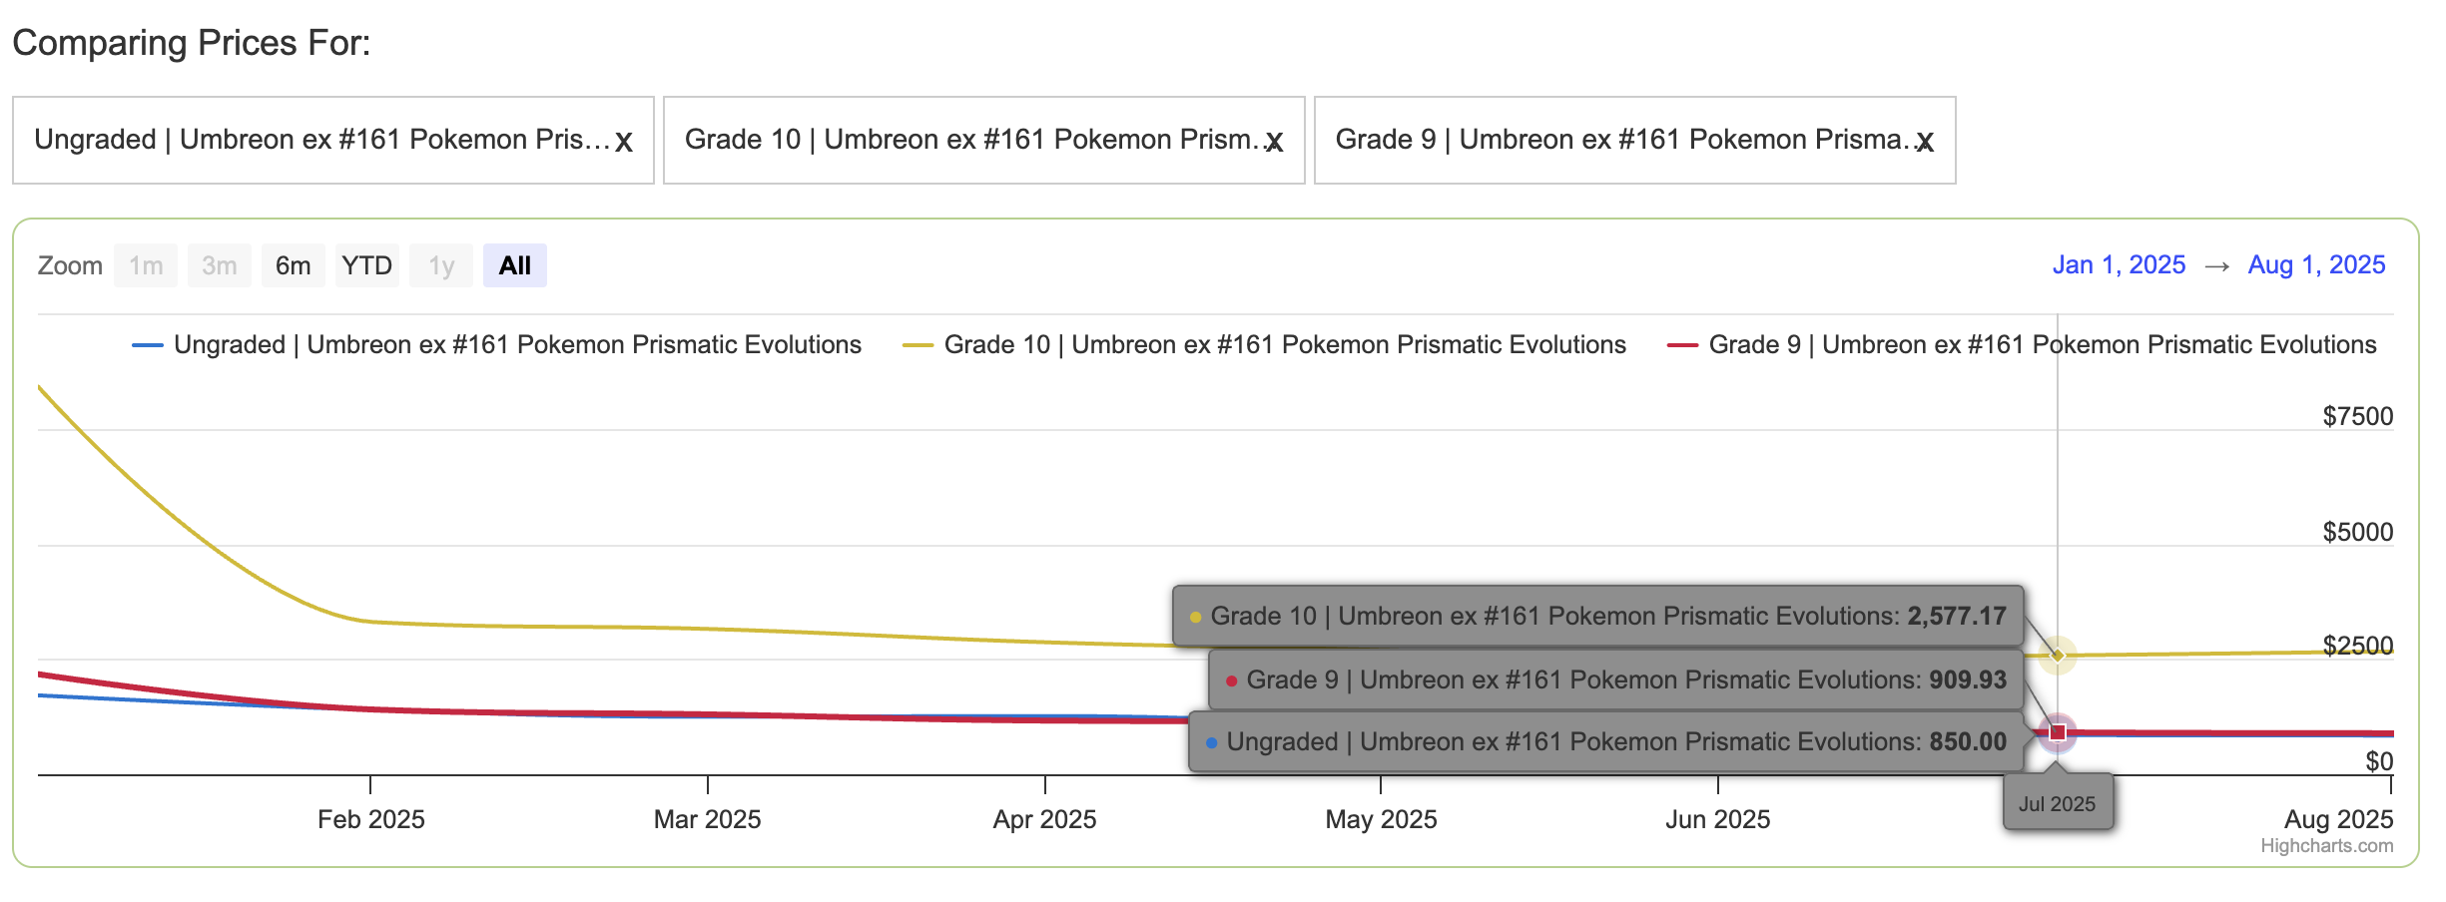
21 | ACE_SPEC
3 | Common (pokeball)
1 | Common (no holo)
20 | Common (master-ball)
6 | Double_Rare
180 | Hyper_Rare
20 | Rare
3 | Rare (pokeball)
1 | Rare (no holo)
45 | Special_Illustration_Rare
13 | Ultra_Rare
20 | Uncommon
1 | Uncommon (no holo)
3 | Uncommon (pokeball)
 |  | https://www.pricecharting.com/compare?uids=R8244604%2CR8244604%2CR8244604&conditions=1%2C10%2C9

profit per card (assuming you are opening packs on your own) PSA(9 or 10) = [(probability of pulling the card * card variants for that rarity) + cost of grading + (shipping * 2)] - ungraded raw card value
EXAMPLE- umbreon 161 profit per card (assuming you are opening packs on your own) PSA 10 = [(1/45 * 32) + (59.99 (ungraded) + 239.01 (upcharge)) + (19.99 + 34.99)] - 889.58 + 3,123.77 |  |  |  | cost
https://www.psacard.com/pop/tcg-cards/2025/pokemon-pre-en-prismatic-evolutions/292058 |  |  | Less than 2k value | 19.99
 |  |  | over 2k and less than 12.5k | 34.99
profit for umbreon example above? | but how much does each package cost? How many packages do I need to open to get that card? Ex. For umbreon it would be 45*32 (1/1440) then multiply the amount of cost of each package
2588.8811111

